Contacts
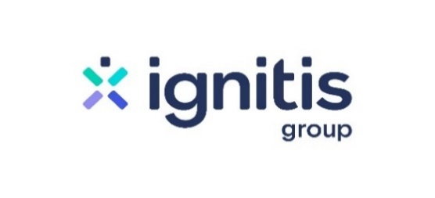

 | Fact sheet 9M 2021

Investor Relations Officer
Ainė Riffel-Grinkevičienė
aine.riffel@ignitis.lt
+370 643 14925

Website
www.ignitisgrupe.lt/en/investors

